relationship
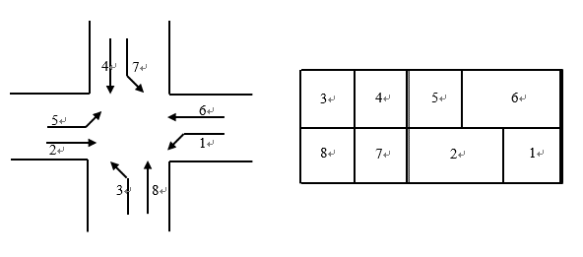
ID | DetectorName | Phase | Position | IsDisplay | Description | RoadName
1 | 1 | 1 | 40 | 1 | TH55 WB | TH55
10 | 10 | 6 | 475 | 1 | TH55 WB | TH55
11 | 11 | 3 | 40 | 1 | Boone NB | TH55
12 | 12 | 3 | 40 | 1 | Boone NB | TH55
13 | 13 | 7 | 40 | 0 | No Info | TH55
14 | 14 | 3 | 10 | 0 | No Info | TH55
15 | 15 | 4 | 120 | 0 | No Info | TH55
16 | 16 | 4 | 5 | 1 | Boone SB | TH55
17 | 17 | 4 | 35 | 1 | Boone SB | TH55
18 | 18 | 4 | 0 | 1 | Boone SB | TH55
19 | 19 | 8 | 0 | 1 | Boone WB | TH55
2 | 2 | 1 | 40 | 1 | TH55 WB | TH55
20 | 20 | 7 | 10 | 1 | Boone SB | TH55
21 | 21 | 8 | 250 | 1 | Boone NB | TH55
22 | 22 | 8 | 250 | 1 | Boone NB | TH55
23 | 23 | 8 | 5 | 0 | No Info | TH55
24 | 24 | 8 | 35 | 0 | No Info | TH55
99 | 25 | 6 | 50 | 0 | No Info | TH55
100 | 26 | 6 | 50 | 0 | No Info | TH55
101 | 27 | 6 | 50 | 0 | No Info | TH55
102 | 28 | 2 | 0 | 0 | No Info | TH55
103 | 29 | 2 | 0 | 0 | No Info | TH55
3 | 3 | 5 | 40 | 1 | TH55 EB | TH55
104 | 30 | 2 | 50 | 0 | No Info | TH55
105 | 31 | 2 | 50 | 0 | No Info | TH55
106 | 32 | 2 | 50 | 0 | No Info | TH55
107 | 33 | 6 | -200 | 0 | No Info | TH55
108 | 34 | 6 | -200 | 0 | No Info | TH55
159 | 35 | 6 | 2471 | 0 | No Info | TH55
160 | 36 | 6 | 2471 | 0 | No Info | TH55
4 | 4 | 5 | 40 | 1 | TH55 EB | TH55
5 | 5 | 1 | 10 | 0 | No Info | TH55
6 | 6 | 5 | 10 | 0 | No Info | TH55
7 | 7 | 2 | 475 | 1 | TH55 EB | TH55
8 | 8 | 2 | 475 | 1 | TH55 EB | TH55
9 | 9 | 6 | 475 | 1 | TH55 WB | TH55

